Iceland
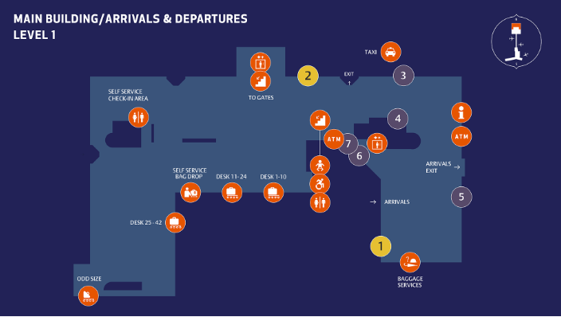
Station | Dog | Parking | Airport | Distance | Taxi Prices | Transfer | How does the transfer work? | Public transportation | Caravan | Winter rental/winter tires | snow chains
Iceland / KEF | No | Yes, free of charge at the station, if there is space | KEF - Keflavik Intern. Airport | 2-2,6km | AIR <-> KEF approx. 18-24 € / way KEF<-> Hotel KEF approx. 18-24€ / way | Transfer from/to airport/hotel and B&B in the area of Reykjanesbær will be organised by station | Pickup directly outside customs area during office hours. Otherwise Bakað (bread and cofee) cafeteria at the arport ground level. (Depedent of information on flight details - flight number and arrival time) | Information for publick transportation: https://www.re.is/flybus/. https://airportexpress.is/is/. https://www.straeto.is/en | No | Yes, with spikes over peak winter time | No

Norway
Station | Dog | Parking | Airport | Distance | Taxi Prices | Transfer | How does the transfer work? | Public transportation | Caravan | Winter rental/winter tires | snow chains
Bergen / BGO | No | Yes, free of charge at the station | Airport Bergen (BGO) central station Bergen bus station Tellnesskiftet | 30 km 25 km 0,2 km | approx. NOK 800,--11000 (1-4 person) depends on the daytime approx. NOK 1.200,- - 1500 NOK (5-8 person) depends on the daytime | No | - | By bus and tram: - tram line 1 from airport every 30min - change at station "Byparken" to bus line 450 "Skogsskiftet" and leave bus in "Tellnesskiftet" in Fjell | No | Yes | No

Bjerkvik / EVE | No | Yes, free of charge at the station | Evenes | 2 km's |  | No |  | By bus (bus company: Boreal or Flybussen) | No | Yes | No

Nordkjosbotn / TOS | No | Yes, free of charge at the station | Tromso Bardufoss Bus stop Nordjosbotn | 75 km 62 km 0,4 km | Visit this website for price calculation, destination Tromsø Airport – Nordkjosbotn: https://tromsotaxi.no/bestill-taxi/ Airport Tromso -> station approx. 250 € (for up to 4 passengers) / 290 € (for 5-8 passengers) Taxi-Kalkulator: https://www.dintaxi.no/en/taxi/calculator The website does not work. I have asked the taxi company about the prices, and they said it costs about NOK 2 300 for up to 4 passengers and about NOK 3 700 for 5-8 passengers. I’m not sure what the price is for section: Nordkjosbotn – Bardufoss airport. Airport Bardufoss -> station approx. 180€ | No | - | Overview over public bus prices, destination Tromsø Airport – McRent Nordkjosbotn: https://svipper.no/menu/tickets/bus-fares/?sprak=3 | No | Yes | No

Oslo / OSL | No | Possible at the rental station, free of charge | Gardenmoen Airport OSL | 10 km | - | Transfer from/to airport organised by taxi company | TRANSFER FROM GARDEMOEN AIRPORT TO THE STATION : The taxi will pick up the customer at the taxi station out of the Terminal Arrivals 45 min after the scheduled landing.( the details about the flight have to be entered in the booking by the TO ) The taxi driver calls the customer at the tel number given during the reservation.(EXTREMELY IMPORTANT-TELEPHONE NUMBER MUST BE CORRECT AND COMPLETE WITH THE INTERNATIONAL PREFIX). The customer has to call the station as soon as possible in case of delays. TRANSFER FROM STATION TO GARDEMOEN AIRPORT: The transfer is organized from the station by taxi when the customer is at the station and the drop off procedures are accomplished.The clients should be aware that not all taxis do have a child seat.***please see below | By bus from the airport: Bus no. 420, bus stop "Moreppen", approx. 650m away from the station (walk or taxi) | No | Yes | No

Trondheim / TRD | No | 25 NOK/per day | Trondheim Lufthavn, Værnes Train station Hommelvik | 13 km 3 km | approx. 45 EUR approx. 20 EUR | No | - | taxi | No | No | No

* Nordjosbotn - Bus schedule:
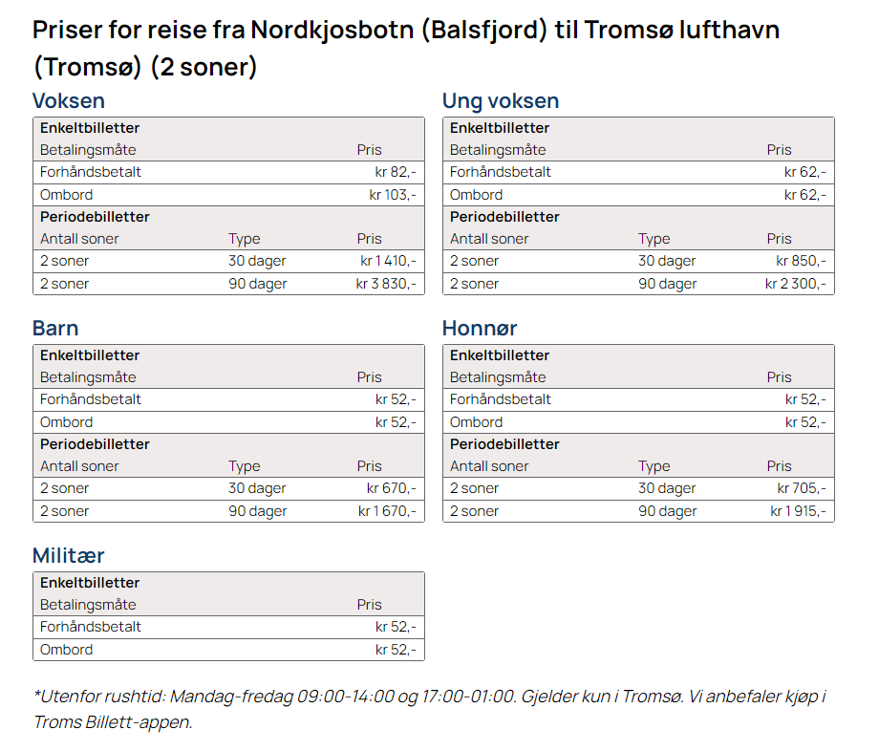

*** | NOTES: in order to better organize the arrivals at the station it is important for us to know, when possible, the flight arrival time at Gardemoen even if there is no Transfer request. This is avoiding us to call all the customers to know at what time the will arrive for the pick up ( extremely important in High Season) – No details about leaving flight requested

